Engine efficiencies
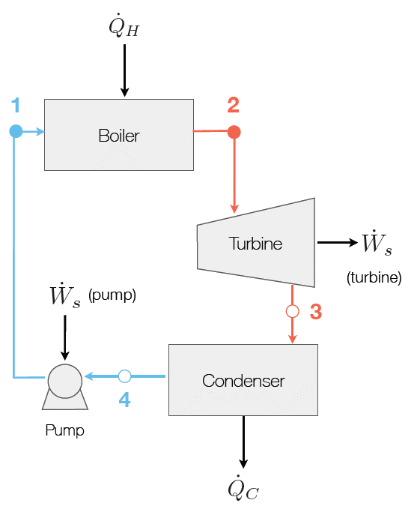

 |  |  |  | (From lecture 4)

R134a |  |  |  |  |  | Water
Ideal turbine, heat recycled to distilation column, R134a used, rxn 2 at 135C |  |  |  |  |  | Ideal turbine, heat recycled to distillation column, water used, rxn 2 at 135C
Operating Point | T/C | Enthalpy(kJ/kg | Entropy (kJ/kgK) | Pressure (kPa) | Quality | Operating Point | T/C | Enthalpy(kJ/kg | Entropy (kJ/kgK) | Pressure (kPa) | Quality
1 |  |  |  |  | 0 | 1 | 100 | 419.1 | 1.3069 | 200 | 0
2 |  |  |  |  | 1 | 2 | 135 | 2737.24 | 7.20314 | 200 | 1
3 |  |  |  |  |  | 3 | 100 | 2619.186642 | 7.20314 | 101.33 | 0.9748268166
4 |  |  |  |  | 0 | 4 | 100 | 419.1 | 1.3069 | 101.33 | 0

Not viable; table only has data up to 4000kPa. |  |  |  |  |  | Fix P_high at | 200 | such that stream 3 is saturated and stream 2 is superheated
but 3969.94 kPa is the minimum value for the lower isobar |  |  |  |  |  | S_vap (100C): | 7.3554
Efficiency: | 0% |  |  |  |  | Efficiency: | 5%

Ideal turbine, heat released to environment, R134a used, rxn 2 at 135C |  |  |  |  |  | Ideal turbine, heat recycled to distillation column, water used, rxn 2 at 110C
Operating Point | T/C | Enthalpy(kJ/kg | Entropy (kJ/kgK) | Pressure (kPa) | Quality | Operating Point | T/C | Enthalpy(kJ/kg | Entropy (kJ/kgK) | Pressure (kPa) | Quality
1 |  |  |  |  | 0 | 1 |  |  |  |  | 0
2 |  |  |  |  | 1 | 2 |  |  |  |  | 1
3 |  |  |  |  |  | 3
4 |  |  |  |  | 0 | 4 |  |  |  |  | 0

Not viable; table only has data up to 4000kPa, |  |  |  |  |  | Not viable; temperature difference is too small
for which stream 3 would be superheated vapor at 25C |  |  |  |  |  | which also leads to pressure difference being too small
Efficiency: | 0% |  |  |  |  | Efficiency: | 0%

Ideal turbine, heat released to environment, R134a used, rxn 2 at 110C |  |  |  |  |  | Ideal turbine, heat released to environment, water used, rxn 2 at 135C (High pressure)
Operating Point | T/C | Enthalpy(kJ/kg | Entropy (kJ/kgK) | Pressure (kPa) | Quality | Operating Point | T/C | Enthalpy(kJ/kg | Entropy (kJ/kgK) | Pressure (kPa) | Quality
1 | 25 | 234.6 | 1.1202 | 4000 | 0 | 1 | 25 | 104.8 | 0.367 | 225 | 0
2 | 110 | 446.7 | 1.7143 | 4000 | 1 | 2 | 135 | 2734.88 | 7.1442 | 225 | 1
3 | 25 | 411.7650193 | 1.7143 | 666.06 | 0.995309097 | 3 | 25 | 2125.418515 | 7.1442 | 3.166 | 0.8272747247
4 | 25 | 234.6 | 1.1202 | 666.06 | 0 | 4 | 25 | 104.8 | 0.367 | 3.166 | 0

Fix P_high at | 4000 | such that stream 3 is saturated and stream 2 is superheated |  |  |  | Fix P_high at | 225 | such that stream 3 is saturated and stream 2 is superheated
S_vap (25C): | 1.7171 |  |  |  |  | S_vap (25C): | 8.5592
Efficiency: | 16% |  |  |  |  | Efficiency: | 23%

Ideal turbine, heat released to environment, R134a used, rxn 2 at 60C |  |  |  |  |  | Ideal turbine, heat released to environment, water used, rxn 2 at 135C (Low pressure)
Operating Point | T/C | Enthalpy(kJ/kg | Entropy (kJ/kgK) | Pressure (kPa) | Quality | Operating Point | T/C | Enthalpy(kJ/kg | Entropy (kJ/kgK) | Pressure (kPa) | Quality
1 | 25 | 234.6 | 1.1202 | 1600 | 0 | 1 | 25 | 104.8 | 0.367 | 20 | 0
2 | 60 | 429.3 | 1.7134 | 1600 | 1 | 2 | 135 | 2753.44 | 8.29728 | 20 | 1
3 | 25 | 411.4966326 | 1.7134 | 666.06 | 0.9938013068 | 3 | 25 | 2469.208694 | 8.29728 | 3.166 | 0.9680281243
4 | 25 | 234.6 | 1.1202 | 666.06 | 0 | 4 | 25 | 104.8 | 0.367 | 3.166 | 0

Fix P_high at | 1600 | such that stream 3 is saturated and stream 2 is superheated |  |  |  | Fix P_high at | 20 | such that stream 3 is saturated and stream 2 is superheated
S_vap (25C): | 1.7171 |  |  |  |  | S_vap (25C): | 8.5592
Efficiency: | 9% |  |  |  |  | Efficiency: | 11%

 |  |  |  |  |  | Ideal turbine, heat released to environment, water used, rxn 2 at 135C (Very high pressure)
 |  |  |  |  |  | Operating Point | T/C | Enthalpy(kJ/kg | Entropy (kJ/kgK) | Pressure (kPa) | Quality
 |  |  |  |  |  | 1 | 25 | 104.8 | 0.367 | 300 | 0
Conclude: |  |  |  |  |  | 2 | 135 | 2726.78488 | 6.99593408 | 300 | 1
Maximize T,P difference in cycles |  |  |  |  |  | 3 | 25 | 2081.213111 | 6.99593408 | 3.166 | 0.8091762994
 | Recycle | Release to env |  |  |  | 4 | 25 | 104.8 | 0.367 | 3.166 | 0
Max efficiency | 5% | 23%
Consider cost of heating vs value of shaft work generated |  |  |  |  |  | Fix P_high at | 300 | such that stream 2 is barely superheated
 |  |  |  |  |  | S_vap (25C): | 8.5592
 |  |  |  |  |  | Efficiency: | 25%

 |  |  |  |  |  | Operating Point | T/C | Enthalpy(kJ/kg | Entropy (kJ/kgK) | Pressure (kPa) | Quality
 |  |  |  |  |  | 1 |  | 104.8 | 0.367 | 101.325 | 0
 |  |  |  |  |  | 2 | 110 | 2696.16 | 7.40764 | 101.325 | 1
 |  |  |  |  |  | 3 | 25 | 2203.963009 | 7.40764 | 3.166 | 0.8594321428
 |  |  |  |  |  | 4 | 25 | 104.8 | 0.367 | 3.166 | 0

 |  |  |  |  |  | Fix P_high at | 125 | such that stream 3 is saturated and stream 2 is superheated
 |  |  |  |  |  | S_vap (25C): | 8.5592
 |  |  |  |  |  | Efficiency: | 19%

